How to use this Risk assessment
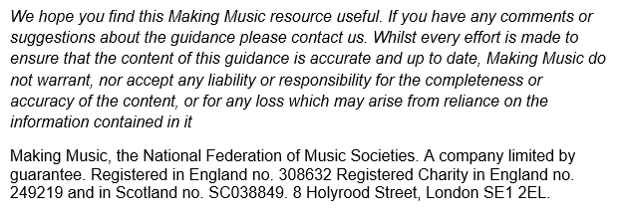
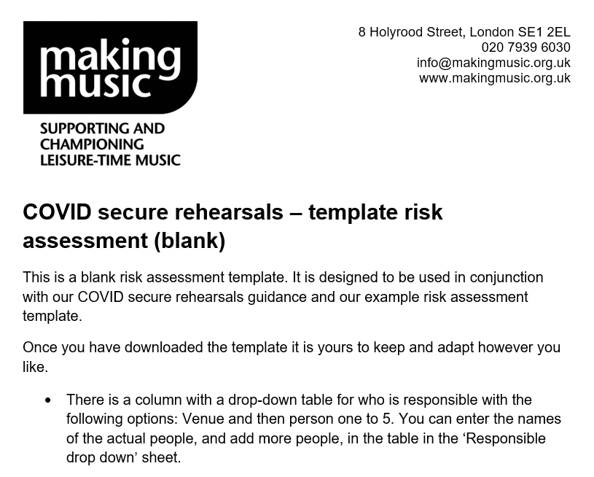

 | COVID secure rehearsals guidance

Contact
E: info@makingmusic.org.uk
T: 020 7939 6030 (Mon-Fri 10am to 5pm)

